What is Polar Plot
WHAT IS PLOTLY (POLAR SCATTER PLOT) | REFERENCE

❶This Polar Scatter Chart constructor creates a circular chart to display scatter plots that contain direction and magnitude variables. The chart displays the 360 degrees of a circle or compass points North, East, South, West and their intermediate directions. Individual data values can be plotted as magnitude or number order (1,2,3 etc.) along their associated direction axis. The example shown below was created by plotting data with the same orientation value in number order. | ⇰REFERENCE (Website)-->Barcelona Field Study Centre Regarding Plotly (Polar Scatter Plot)' s Actual Definition & Meaning of Scatterplot

❷Polar Scatter Charts are a powerful way of displaying raw fieldwork data containing amount and direction values. They can be used, for example, to display the number of pebbles orientated along a particular compass bearing, or the number and direction that cirques or corries face.
 | ⇰REFERENCE (Website)-->Tutorial Point Regarding Plot Polar scatter points

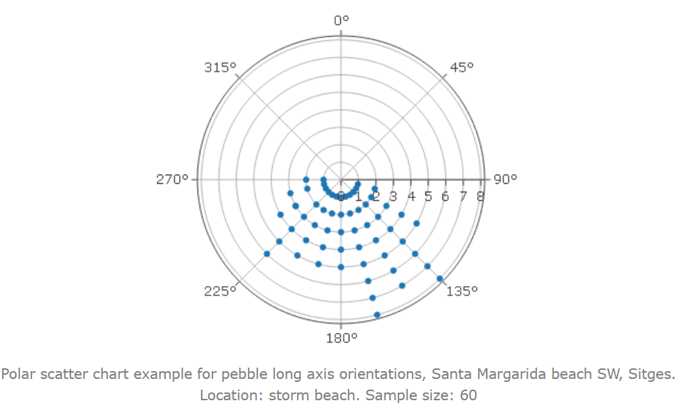
 | ⇰REFERENCE (Website)--> Plotly Regarding Snapshot of all Hyper Parameter for plotly.polar scatter plot()

 | ⇰REFERENCE (Website)--> Plotly Regarding Total No of Available Plots in Plotly

Hyper Param for Polar Scat Plot
PLOTLY 2D &3D POLAR PLOT | REFERENCE

(MATHEMATICAL) CONCEPTUAL KNOWLEDGE REQUISITE FOR PLOTLY POLAR 2D & 3D SCATTERPLOT

⇰radial axis ❶The radial coordinate tells you how far a point is from the pole. If a point has polar coordinates (5, 45°), the point would be 5 from the pole. The image below shows what we mean by a point being 5 units from the pole. ❷The radial coordinate is the first number in the pair of numbers used to describe polar coordinates. For example, in the polar coordinates (5, 45°), the radial coordinate is 5 (the number on the left): The radial coordinate is sometimes called the radius. | ⇰REFERENCE (Website)-->www.Mathematics-Monster.com Regarding Mathematical Definition & Practical Implementation of Radial axis for Coordinate Purpose

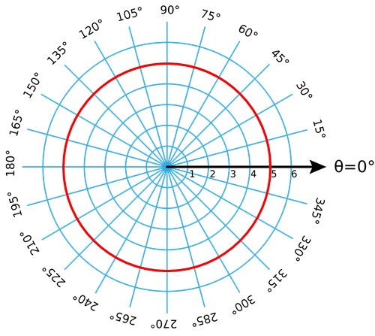 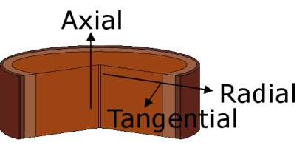 | ⇰REFERENCE (Website)-->www.Mathematics-Monster.com Regarding Mathematical Definition & Using Polar Grid to Find Radial Coordinate

 | ⇰REFERENCE (Website)--> Plotly Regarding Total No of Available Plots in Plotly

⇰θ (theta) ❶The Greek letter θ (theta) is often used to denote an angle, and a polar coordinate is conventionally referred to as (r, θ) instead of (x, y). Thus, when dealing with polar coordinates, we'll now use "theta" as the preferred variable name for the angle. ❷For example, if r is 75 and theta is 45 degrees (or PI/4 radians), we can calculate x and y as below. The functions for sine and cosine in Processing are sin() and cos(), respectively. They each take one argument, an angle measured in degrees. | ⇰REFERENCE (Website)-->Khan Academy Regarding Definition & Practical Implementation of Thetha

 | ⇰REFERENCE (Website)--> Plotly Regarding Total No of Available Plots in Plotly

PLOTLY POLAR 2D PLOT
SPECIFIC HYPER PARAMETERS FOR PLOTLY BASIC 2D POLAR PLOT

 | ⇰REFERENCE (Website)-->Plotly Regarding Snapshot of Hyper Parameter of Plotly Polar Scatter 2D ,3D Plot

⇰If Plotly Express as px does not provide a good starting point, you can use the more generic go.Scatterpolar class from plotly.graph_objects. All the options are documented in the reference page. | ⇰REFERENCE (Website)--> Plotly Regarding Snapshot of Hyper Parameter (r) of Scatter 2D Plot

⇰r (str or int or Series or array-like) ❶Either a name of a column in data_frame, or a pandas Series or array_like object. Values from this column or array_like are used to position marks along the radial axis in polar coordinates. ❷Basically in Other Words In the polar coordinate system, the ordered pair will now be (r, θ). The ordered pair specifies a point's location based on the value of r and the angle, θ, from the polar axis. The value of r can be positive, negative, or zero. The sign of r is very important in locating the exact position of the point.

 | ⇰REFERENCE (Website)-->Plotly Regarding All Hyper Parameter for plotly.express.scatter_polar

⇰θ (theta) ❶The Greek letter θ (theta) is often used to denote an angle, and a polar coordinate is conventionally referred to as (r, θ) instead of (x, y). Thus, when dealing with polar coordinates, we'll now use "theta" as the preferred variable name for the angle. ❷For example, if r is 75 and theta is 45 degrees (or PI/4 radians), we can calculate x and y as below. The functions for sine and cosine in Processing are sin() and cos(), respectively. They each take one argument, an angle measured in degrees. ❸ In Simple Words The Cartesian coordinates (x, y) describe a point with respect to the x-axis and the y-axis. The polar coordinates (r, theta) describe the same point where r is the distance from the origin and theta is the counterclockwise angle in radians from the positive x-axis.
 | ⇰REFERENCE (Website)-->www.Mathematics-Monster.com Regarding Mathematical Definition & Practical Implementation of Radial axis for Coordinate Purpose

 | ⇰REFERENCE (Website)-->Plotly Regarding Specific Hyper Parameter (θ) Or Polar Angular Coordinate

❹In two dimensions, the Cartesian coordinates (x,y)specify the location of a point P in the plane. Another two-dimensional coordinate system is polar coordinates. Instead of using the signed distances along the two coordinate axes, polar coordinates specifies the location of a point Pin the plane by its distance rfrom the origin and the angle θmade between the line segment from the origin to Pand the positive x-axis. The polar coordinates (r,θ) of a point P are illustrated in the below figure.

 | ⇰REFERENCE (Website)-->Maths Insight Regarding Proper Definition of Thetha (θ)

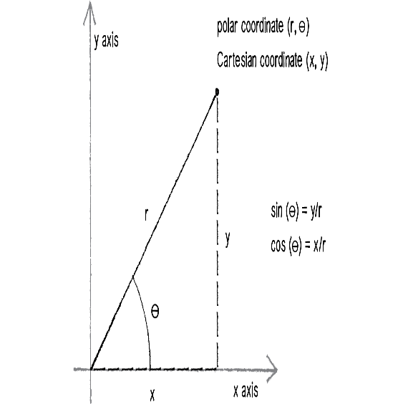 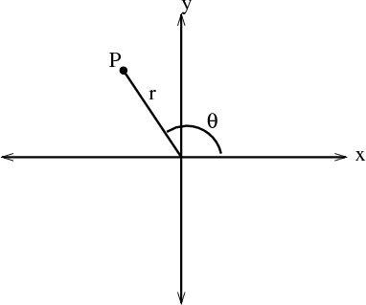
 | ⇰REFERENCE (Website)-->Geeks for Geeks Regarding Polar Charts Using Plotly in Python

 | ⇰REFERENCE (Website)--> Plotly Regarding Total No of Available Plots in Plotly

⇰mode (markers ,line) ❶ mode =markers are used in Plotly to simply enhance the visual of line size of a plot. You can use the keyword argument marker to emphasize which marker you want on the line of plot. So That Point Can Be Represented by Point (Marker). While If mode =lines Then Instead of Dotted Point It Will Form a Line from The Data Points Intesection.

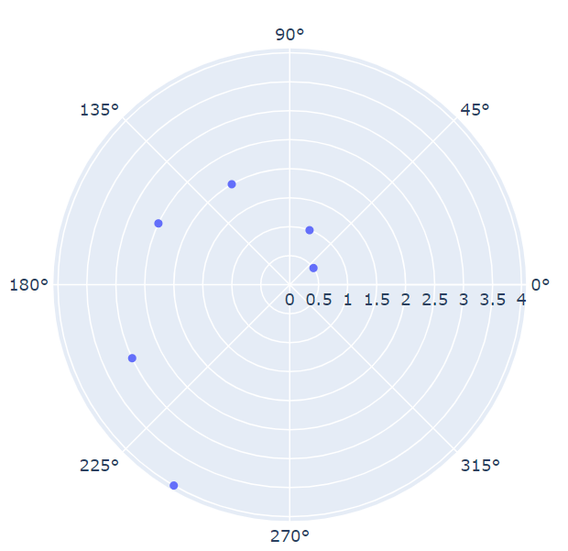  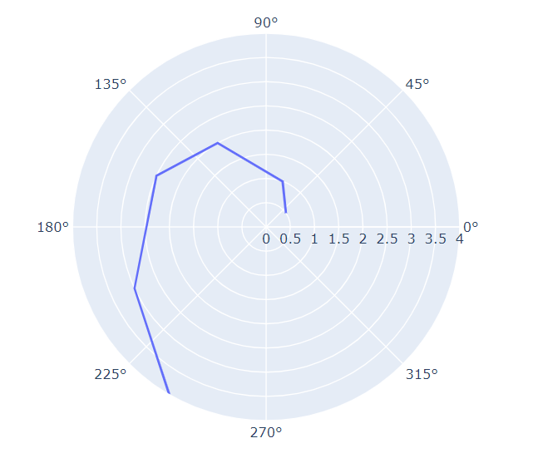 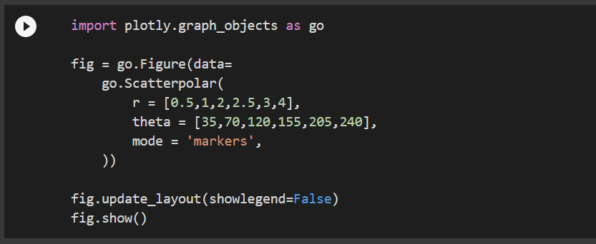 | ⇰REFERENCE (Website)-->Google Colab 1.2 Plotly Intermediate Regarding Practical Implementation & Coding of 2D Polar Scatter Plot

 | ⇰REFERENCE (Website)--> Plotly Regarding Total No of Available Plots in Plotly

 | ⇰REFERENCE (Website)-->Geeks for Geeks Regarding Polar Charts (2D) using Plotly in Python

 | ⇰REFERENCE (Website)--> Plotly Regarding Polar Charts 2D in Python

 | ⇰REFERENCE (Website)-->1.2 (Google Colab) Plotly Intermediate Regarding Different Type of Polar Line Plot Having Mode =Marker While 2nd Plot (Mode=Line)

 | ⇰REFERENCE (Website)--> Plotly Regarding Total No of Available Plots in Plotly

PLOTLY POLAR LINE 2D PLOT

❶Just Like Above Plot , Plotting Same in respect against line polar plot(lines instead of markers), use px.line_polar: | ⇰REFERENCE (Website)--> (Google Colab) 1.2 Plotly Intermediate Regarding Practical Implementation or Coding of Plotly Polar Line 2D Plot

⇰ color_discrete_sequence=px.colors.sequential.Plasma_r Or #fdcas26 ,#fb9f3a & so on … ❶The Plotly Express color_discrete_sequence argument accepts explicitly-constructed color sequences as well, as lists of CSS colors: In [9]: import plotly.express as px df = px. data. gapminder(). Basically in Other Word Creating & Choosing Number of HEX Code & Plotting Same as we have done in Upcoming example. In Simpler Word Basically any customized colour you can search and use them while plotting just copy that specific code & assigning them against colour.But realistically, you may want to do your own custom color. Instead of Using Syntax or Actual Colour That is not going to be a standard string color like purple.So can we do what we can pass in what's known as an RGB hex code?& it's basically a formula for how much of red, green and blue go inside a color. Basically Making Our Own Colour By Mixing Other Colour Like (How we Perform in Excel Custom Colours).

 | ⇰REFERENCE (Excel Sheet) --> Excel Sheet (1.3 Matplotlib Style) Regarding Customizing Colour By HEX Code Means

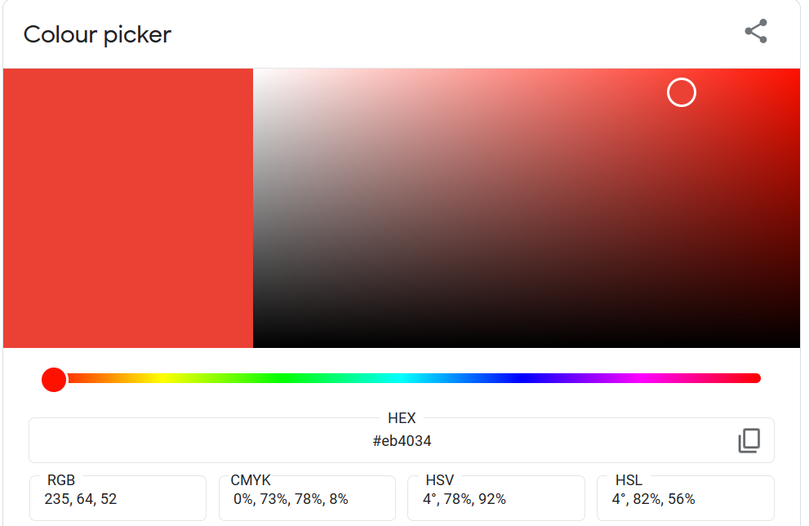 | ⇰REFERENCE (Website)-->RGB (HTML Colors) Hex Code Regarding Custom Colour Picker

 | ⇰REFERENCE (Website)-->RGB Hex Colours Regarding RGB Hex Colour Picker

 | ⇰REFERENCE (Website)-->Plotly Discrete Colors in Python Regarding Various Sorts of Colours (Discrete vs Continuous Colors in Plotly)

 | ⇰REFERENCE (Website)--> 1.2 Plotly Intermediate Regarding Practical Implementation Or Coding of Plotly Polar Scatter Line 2D plot

 | ⇰REFERENCE (Website)--> Plotly Regarding Total No of Available Plots in Plotly

 | ⇰REFERENCE (Website)-->Geeks for Geeks Regarding Polar Charts (2D) using Plotly in Python

 | ⇰REFERENCE (Website)--> Plotly Regarding Polar Charts 2D in Python

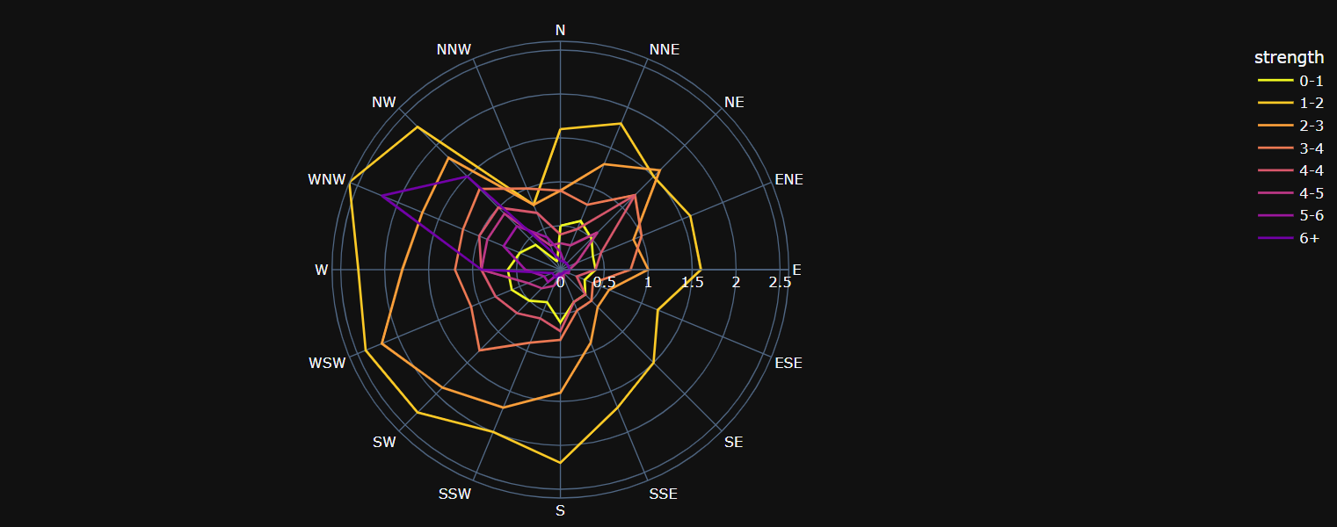 | ⇰REFERENCE (Website) -->Tutorial Point Regarding Plotly - Polar Chart and Radar Chart

 | ⇰REFERENCE (Website)-->Plotly Regarding Various Parameter Or Hyper Parameter plotly.express.scatter_polar

 | ⇰REFERENCE (Website)--> Plotly Regarding Total No of Available Plots in Plotly

 | ⇰REFERENCE (Website)--> Google Colab 1.10 Introduction to Pandas Regarding Definition of Dataframe Example

PLOTLY POLAR SCATTER 3D PLOT

❶The "strength" column corresponds to strength categories of the wind, and there is a frequency value for each direction and strength. Below we use the strength column to encode the color, symbol and size of the markers. | ⇰REFERENCE (Excel Sheet)-->Excel Sheet 2.2 Plotly Intermediate Plotly Scatter Plot Regarding (REFERENCE) All Hyper Parameters of Plotly Scatter3D Plot

⇰data_frame (df) ❶ A DataFrame is a data structure that organizes data into a 2-dimensional table of rows and columns, much like a spreadsheet. ❷We know pandas is built on numpy but pandas make data more interactive & informative set of data that's although information is same but in pandas data is more intaractive and meaningful because of information is present in data frame (with labels and index ) so labels on rows & columns yield more meaningful information as compared to numpy .

 | ⇰REFERENCE (Website)--> Plotly Regarding Total No of Available Plots in Plotly

 | ⇰REFERENCE (Website)-->Geeks for Geeks Regarding Polar Charts (2D) using Plotly in Python

 | ⇰REFERENCE (Website)--> Plotly Regarding Polar Charts 2D in Python

 | ⇰REFERENCE (Website) -->Tutorial Point Regarding Plotly - Polar Chart and Radar Chart
 |  | ⇰REFERENCE (Website)-->Plotly Regarding Practical Implementation of Hover Text & Formatting in Python By Plotly
⇰hover_data--> Either a list of names of columns in data_frame, or pandas Series, or array_like objects or a dict with column names as keys,Values from these columns appear as extra data in the hover tooltip. Basically At Time When Mouse Cursor Hovered Around Plot We Can see that various Column data in Single Bubble.

 | ⇰REFERENCE (Website)-->Plotly Regarding Various Parameter Or Hyper Parameter plotly.express.scatter_polar
⇰size (str or int or Series or array-like) ❶Either a name of a column in data_frame, or a pandas Series or array_like object. Values from this column or array_like are used to assign mark sizes. Basically in these Condition size & Color Are Inter related Due to Data is Exhibited depend upon Mark Size.

⇰size_max((int (default 20)) ❶Set the maximum mark size when using size. | ⇰REFERENCE (Website)--> Plotly Regarding Total No of Available Plots in Plotly

 | ⇰REFERENCE (Website)--> W3SCHOOL Regarding Thereotical & Practical Definition of Data Frame
⇰color (str or int or Series or array-like) ❶Either a name of a column in data_frame, or a pandas Series or array_like object. Values from this column or array_like are used to assign color to marks.

⇰hover_name() ❶Either a name of a column in data_frame, or a pandas Series or array_like object. Values from this column or array_like appear in bold in the hover tooltip.Basically At Time When Mouse Cursor Hovered Around Plot We Can see that various Column data in Single Bubble On the Top of that with name of column 's data that we want to specify in bold letter (Above top notch). Basically in This case we can see Wind Direction is Presented in Hover Tootltip or Top of Hoverig Data | ⇰REFERENCE (Website)--> Plotly Regarding Various Colour Related Hyper Parameter 's Practical Implementation in Plotly

⇰title (str) – The figure title. | ⇰REFERENCE (Website)--> Plotly Regarding Adjusting Height, Width, & Margins with Plotly Express
⇰width (int (default None)) ❶The figure width in pixels. (Basically By Default Length * Breath ) By 800*600

⇰height (int (default None)) ❶The figure height in pixels. (Basically By Default Length * Breath) By 800*600
 | ⇰REFERENCE (Website)--> Plotly Regarding Various Colour Related Hyper Parameter 's Practical Implementation in Plotly
⇰opacity ❶opacity (float) – Value between 0 and 1. Sets the opacity for markers.

⇰ color_discrete_sequence=px.colors.sequential.Plasma_r Or #fdcas26 ,#fb9f3a & so on … ❶The Plotly Express color_discrete_sequence argument accepts explicitly-constructed color sequences as well, as lists of CSS colors: In [9]: import plotly.express as px df = px. data. gapminder(). Basically in Other Word Creating & Choosing Number of HEX Code & Plotting Same as we have done in Upcoming example. In Simpler Word Basically any customized colour you can search and use them while plotting just copy that specific code & assigning them against colour.But realistically, you may want to do your own custom color. Instead of Using Syntax or Actual Colour That is not going to be a standard string color like purple.So can we do what we can pass in what's known as an RGB hex code?& it's basically a formula for how much of red, green and blue go inside a color. Basically Making Our Own Colour By Mixing Other Colour Like (How we Perform in Excel Custom Colours). | ⇰REFERENCE (Excel Sheet) --> Excel Sheet (1.3 Matplotlib Style) Regarding Customizing Colour By HEX Code Means | ⇰REFERENCE (Website)--> Plotly Regarding Various Colour Related Hyper Parameter 's Practical Implementation in Plotly

 | ⇰REFERENCE (Website)-->RGB (HTML Colors) Hex Code Regarding Custom Colour Picker

 | ⇰REFERENCE (Website)-->RGB Hex Colours Regarding RGB Hex Colour Picker

 | ⇰REFERENCE (Website)-->Plotly Discrete Colors in Python Regarding Various Sorts of Colours (Discrete vs Continuous Colors in Plotly)

 | ⇰REFERENCE (Website)--> Plotly Regarding Total No of Available Plots in Plotly

 | ⇰REFERENCE (Website)--> Plotly Regarding Various Colour Related Hyper Parameter 's Practical Implementation in Plotly



 | ⇰REFERENCE (Website)-->(Google Colab) 1.2 Plotly Intermediate Regarding Coding or Practical Implementation of Plotly Polar Scatter 3D Plot

 | ⇰REFERENCE (Excel Sheet)-->Excel Sheet 2.2 Plotly Intermediate Plotly Scatter Plot Regarding (REFERENCE) All Hyper Parameters of Plotly Scatter3D Plot

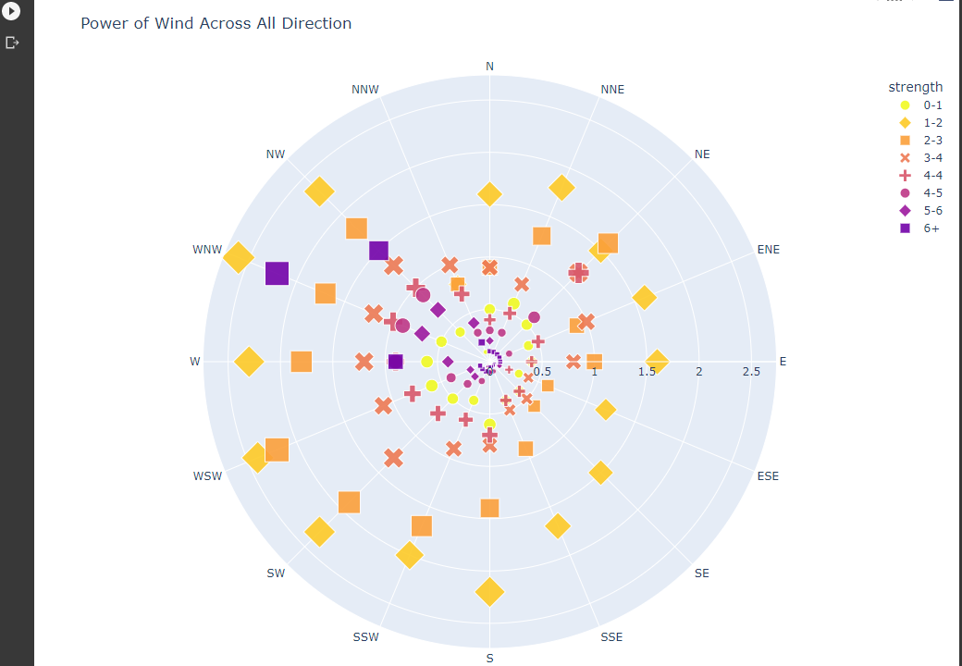 | ⇰REFERENCE (Website)--> Plotly Regarding Total No of Available Plots in Plotly

 | ⇰REFERENCE (Website)-->Geeks for Geeks Regarding Polar Charts (2D) using Plotly in Python

 | ⇰REFERENCE (Website)--> Plotly Regarding Polar Charts 2D in Python

 | ⇰REFERENCE (Website) -->Tutorial Point Regarding Plotly - Polar Chart and Radar Chart

 | ⇰REFERENCE (Website)-->Plotly Regarding Various Parameter Or Hyper Parameter plotly.express.scatter_polar

 | ⇰REFERENCE (Website)--> Plotly Regarding Total No of Available Plots in Plotly

